display
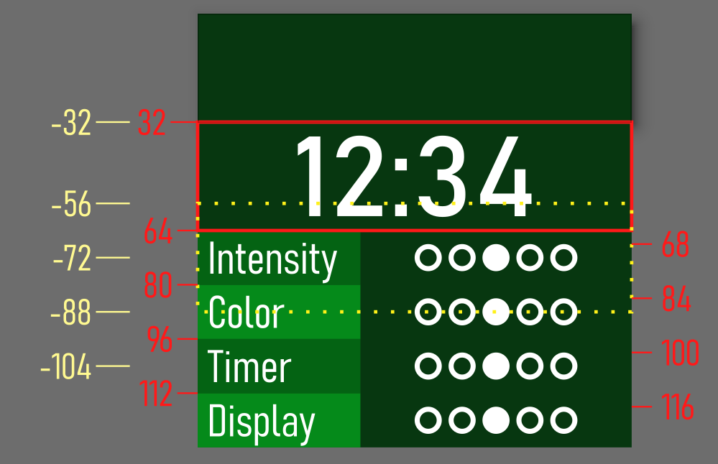
dY | 16

text_top | circle_top | screen_offset
0 | 0 | 0 | idle
32 | 0 | -32 | time
64 | 68 | -56 | intensity
80 | 84 | -72 | color
96 | 100 | -88 | timer
112 | 116 | -104 | display

.text_top = 0, | .circle_top = 0, | .screen_offset = 0, | { .text_top = 0, .circle_top = 0, .screen_offset = 0, }, // idle
.text_top = 32, | .circle_top = 0, | .screen_offset = -32, | { .text_top = 32, .circle_top = 0, .screen_offset = -32, }, // time
.text_top = 64, | .circle_top = 68, | .screen_offset = -56, | { .text_top = 64, .circle_top = 68, .screen_offset = -56, }, // intensity
.text_top = 80, | .circle_top = 84, | .screen_offset = -72, | { .text_top = 80, .circle_top = 84, .screen_offset = -72, }, // color
.text_top = 96, | .circle_top = 100, | .screen_offset = -88, | { .text_top = 96, .circle_top = 100, .screen_offset = -88, }, // timer | 160
.text_top = 112, | .circle_top = 116, | .screen_offset = -104, | { .text_top = 112, .circle_top = 116, .screen_offset = -104, }, // display | 32
 |  |  |  | 5120 | pixels
 |  |  |  | 640 | bytes

columns | 128 | -
rows | 32 | -
pixels | 4096 | bits
bytes | 512 | bytes

frequency | 400000 | bits/s
efficiency | 80%
refresh time | 0.0128 | sec
 | 12.8 | ms

capacitive touch
 | T0: |  |  | T6: |  |  | T5: |  |  | L | T | R | 671 | 671 | 671 | 671 | 671 | 671 | LEFT | TOP | RIGHT
T0:[1241] T6:[1380] T5:[1010] | 1 | 1241 | 1241 | 13 | 1380 | 1380 | 25 | 1010 | 1010 | 1241 | 1380 | 1010 | 1241 | 1380 | 1010 |  |  |  | 1188.6428571 | 1314.4666667 | 995.23076923
T0:[1245] T6:[1382] T5:[1014] | 1 | 1245 | 1245 | 13 | 1382 | 1382 | 25 | 1014 | 1014 | 1245 | 1382 | 1014 | 1245 | 1382 | 1014 |  |  |  | 101.08333333 | 216.95652174 | 85.04
T0:[1246] T6:[1382] T5:[1014] | 1 | 1246 | 1246 | 13 | 1382 | 1382 | 25 | 1014 | 1014 | 1246 | 1382 | 1014 | 1246 | 1382 | 1014 |  |  |  | 644.86309524 | 765.7115942 | 540.13538462
T0:[1247] T6:[1382] T5:[1015] | 1 | 1247 | 1247 | 13 | 1382 | 1382 | 25 | 1015 | 1015 | 1247 | 1382 | 1015 | 1247 | 1382 | 1015
T0:[1247] T6:[1383] T5:[1015] | 1 | 1247 | 1247 | 13 | 1383 | 1383 | 25 | 1015 | 1015 | 1247 | 1383 | 1015 | 1247 | 1383 | 1015 |  |  |  | 756
T0:[1247] T6:[1382] T5:[1015] | 1 | 1247 | 1247 | 13 | 1382 | 1382 | 25 | 1015 | 1015 | 1247 | 1382 | 1015 | 1247 | 1382 | 1015 |  |  |  | 586
T0:[1248] T6:[1383] T5:[1015] | 1 | 1248 | 1248 | 13 | 1383 | 1383 | 25 | 1015 | 1015 | 1248 | 1383 | 1015 | 1248 | 1383 | 1015 |  |  |  | 671
T0:[1246] T6:[1382] T5:[1014] | 1 | 1246 | 1246 | 13 | 1382 | 1382 | 25 | 1014 | 1014 | 1246 | 1382 | 1014 | 1246 | 1382 | 1014
T0:[ 772] L T6:[1165] T5:[ 586] R | 1 | 772 | 772 | 13 | 1165 | 1165 | 25 | 586 | 586 | 772 | 1165 | 586 | 772 | 1165 |  |  |  | 586
T0:[ 316] L T6:[ 756] T T5:[ 247] R | 1 | 316 | 316 | 13 | 756 | 756 | 25 | 247 | 247 | 316 | 756 | 247 |  | 756 |  | 316 |  | 247
T0:[ 172] L T6:[ 343] T T5:[ 102] R | 1 | 172 | 172 | 13 | 343 | 343 | 25 | 102 | 102 | 172 | 343 | 102 |  |  |  | 172 | 343 | 102
T0:[ 177] L T6:[ 285] T T5:[ 116] R | 1 | 177 | 177 | 13 | 285 | 285 | 25 | 116 | 116 | 177 | 285 | 116 |  |  |  | 177 | 285 | 116
T0:[ 111] L T6:[ 231] T T5:[ 64] R | 1 | 111 | 111 | 13 | 231 | 231 | 25 | 64 | 64 | 111 | 231 | 64 |  |  |  | 111 | 231 | 64
T0:[ 125] L T6:[ 227] T T5:[ 64] R | 1 | 125 | 125 | 13 | 227 | 227 | 25 | 64 | 64 | 125 | 227 | 64 |  |  |  | 125 | 227 | 64
T0:[ 80] L T6:[ 235] T T5:[ 47] R | 1 | 80 | 80 | 13 | 235 | 235 | 25 | 47 | 47 | 80 | 235 | 47 |  |  |  | 80 | 235 | 47
T0:[ 79] L T6:[ 214] T T5:[ 43] R | 1 | 79 | 79 | 13 | 214 | 214 | 25 | 43 | 43 | 79 | 214 | 43 |  |  |  | 79 | 214 | 43
T0:[ 108] L T6:[ 239] T T5:[ 71] R | 1 | 108 | 108 | 13 | 239 | 239 | 25 | 71 | 71 | 108 | 239 | 71 |  |  |  | 108 | 239 | 71
T0:[ 80] L T6:[ 194] T T5:[ 43] R | 1 | 80 | 80 | 13 | 194 | 194 | 25 | 43 | 43 | 80 | 194 | 43 |  |  |  | 80 | 194 | 43
T0:[ 119] L T6:[ 208] T T5:[ 67] R | 1 | 119 | 119 | 13 | 208 | 208 | 25 | 67 | 67 | 119 | 208 | 67 |  |  |  | 119 | 208 | 67
T0:[ 70] L T6:[ 193] T T5:[ 46] R | 1 | 70 | 70 | 13 | 193 | 193 | 25 | 46 | 46 | 70 | 193 | 46 |  |  |  | 70 | 193 | 46
T0:[ 82] L T6:[ 193] T T5:[ 51] R | 1 | 82 | 82 | 13 | 193 | 193 | 25 | 51 | 51 | 82 | 193 | 51 |  |  |  | 82 | 193 | 51
T0:[ 69] L T6:[ 216] T T5:[ 53] R | 1 | 69 | 69 | 13 | 216 | 216 | 25 | 53 | 53 | 69 | 216 | 53 |  |  |  | 69 | 216 | 53
T0:[ 60] L T6:[ 184] T T5:[ 33] R | 1 | 60 | 60 | 13 | 184 | 184 | 25 | 33 | 33 | 60 | 184 | 33 |  |  |  | 60 | 184 | 33
T0:[ 108] L T6:[ 198] T T5:[ 69] R | 1 | 108 | 108 | 13 | 198 | 198 | 25 | 69 | 69 | 108 | 198 | 69 |  |  |  | 108 | 198 | 69
T0:[ 75] L T6:[ 167] T T5:[ 42] R | 1 | 75 | 75 | 13 | 167 | 167 | 25 | 42 | 42 | 75 | 167 | 42 |  |  |  | 75 | 167 | 42
T0:[ 89] L T6:[ 180] T T5:[ 61] R | 1 | 89 | 89 | 13 | 180 | 180 | 25 | 61 | 61 | 89 | 180 | 61 |  |  |  | 89 | 180 | 61
T0:[ 59] L T6:[ 187] T T5:[ 40] R | 1 | 59 | 59 | 13 | 187 | 187 | 25 | 40 | 40 | 59 | 187 | 40 |  |  |  | 59 | 187 | 40
T0:[ 64] L T6:[ 171] T T5:[ 38] R | 1 | 64 | 64 | 13 | 171 | 171 | 25 | 38 | 38 | 64 | 171 | 38 |  |  |  | 64 | 171 | 38
T0:[ 81] L T6:[ 193] T T5:[ 54] R | 1 | 81 | 81 | 13 | 193 | 193 | 25 | 54 | 54 | 81 | 193 | 54 |  |  |  | 81 | 193 | 54
T0:[ 58] L T6:[ 156] T T5:[ 30] R | 1 | 58 | 58 | 13 | 156 | 156 | 25 | 30 | 30 | 58 | 156 | 30 |  |  |  | 58 | 156 | 30
T0:[ 96] L T6:[ 167] T T5:[ 68] R | 1 | 96 | 96 | 13 | 167 | 167 | 25 | 68 | 68 | 96 | 167 | 68 |  |  |  | 96 | 167 | 68
T0:[ 64] L T6:[ 146] T T5:[ 42] R | 1 | 64 | 64 | 13 | 146 | 146 | 25 | 42 | 42 | 64 | 146 | 42 |  |  |  | 64 | 146 | 42
T0:[ 84] L T6:[ 463] T T5:[ 49] R | 1 | 84 | 84 | 13 | 463 | 463 | 25 | 49 | 49 | 84 | 463 | 49 |  |  |  | 84 | 463 | 49
T0:[ 974] L T6:[1223] T5:[ 832] | 1 | 974 | 974 | 13 | 1223 | 1223 | 25 | 832 | 832 | 974 | 1223 | 832 | 974 | 1223 | 832
T0:[1186] T6:[1351] T5:[ 971] | 1 | 1186 | 1186 | 13 | 1351 | 1351 | 25 | 971 | 971 | 1186 | 1351 | 971 | 1186 | 1351 | 971
T0:[1240] T6:[1383] T5:[1004] | 1 | 1240 | 1240 | 13 | 1383 | 1383 | 25 | 1004 | 1004 | 1240 | 1383 | 1004 | 1240 | 1383 | 1004
T0:[1248] T6:[1390] T5:[1010] | 1 | 1248 | 1248 | 13 | 1390 | 1390 | 25 | 1010 | 1010 | 1248 | 1390 | 1010 | 1248 | 1390 | 1010
T0:[1254] T6:[1393] T5:[1009] | 1 | 1254 | 1254 | 13 | 1393 | 1393 | 25 | 1009 | 1009 | 1254 | 1393 | 1009 | 1254 | 1393 | 1009

